Screenshots
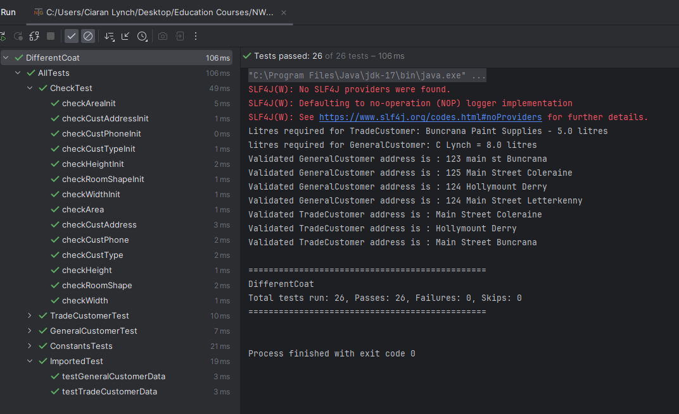
Test No 6.2 | CSV import error - Last record for Trade customer was not imported

